Assignment
FileUpload | First create a JSP page having the file upload text field. Write a Servlet to upload a file to a folder on the server. The file can be of any type Text, Word, Excel, Image, PDF, etc

Input Screen

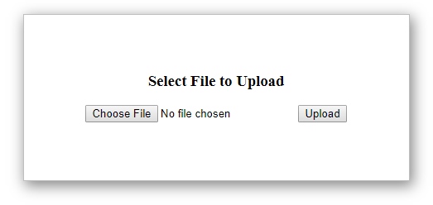

Output Screen

